Inputs
 | pipeNominalOD |  | 0.24765 | m
 | pipeNominalWT |  | 0.034925 | m
 | pipeMinimumWT |  | 0.034925 | m
 | pipeNominalID |  | 0.1778
 | pipeExternalPressure |  | 0
 | pipeInternalPressure |  | 0.00E+00
 | pipeTensionEffective |  | 6674724 | N
 | pipeMoment |  | 0
 | pipeYieldStrength |  | 5.52E+08 | Pa

 | pipeMinimumID |  | 0.1778 | m

 | pipeA |  | 0.023340213256 | m^2
 | pipeAi |  | 0.024828666476 | m^2
 | pipeAo |  | 0.048168879732 | m^2

 | pipeI |  | 0.00013558236884 | m^4
pipeTensionTrue | pipeTensionEffective + (pipeInternalPressure*pipeAi) - (pipeExternalPressure*pipeAo)
 | pipeTensionTrue |  | 6674724

 |  |  | 0

 |  |  | 0

 | T/A |  | 285975279.09
 | M/2I |  | 0

 |  |  | 285975279.09 |  | Considering Addition

 |  |  | 285975279.09 |  | Considering Subtraction

 |  |  | 0.70710678119

 |  |  | 1.6356372051E+17

 |  |  | 285975279.09 | Pa |  | L.H.S of Equation(5)

 |  |  | 41.477207606 | Ksi |  | L.H.S of Equation(5)

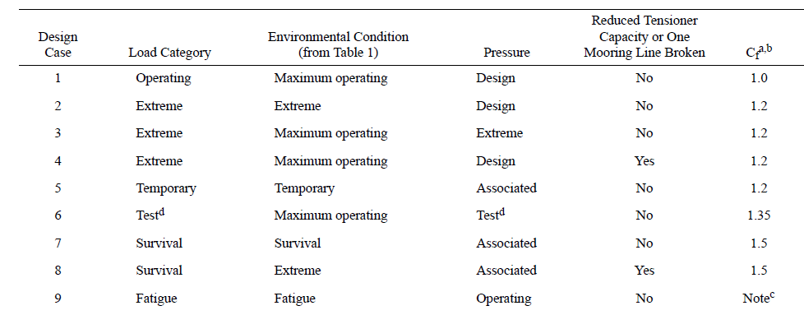
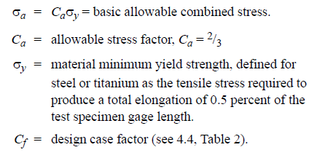

Cf |  | 1.5 |  | Considering Survival load category

 |  |  | 3.68E+08

 |  |  | 5.52E+08 |  | R.H.S of Equation(5)

 |  |  | 79.999857515 | Ksi

Limits
 |  | Solve For? | Internal Pressure |  |  |  | Tension |  |  | Moment |  |  | External Pressure
 |  |  |  |  |  |  |  | Tensile Yield Strength
 |  | Units
Geometry
pipeNominalOD |  | m | 0.24765 | 0.24765
pipeNominalWT |  | m | 0.034925 | 0.034925
pipeMinimumWT |  | m | 0.034925 | 0.034925
pipeNominalID |  |  | 0.1778 | 0.1778

Material Properties
Yield Strength |  | ksi | 80
 |  | Pa | 5.52E+08

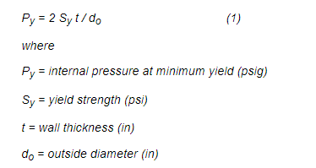
pipeA |  | m^2 | 0.023340213256
pipeAi | Ai | m^2 | 0.024828666476
pipeAo | Ao | m^2 | 0.048168879732
pipeI | I | m^4 | 0.00013558236884

Loading
pipeExternalPressure | Po |  | 0 |  |  |  | 0 |  |  | 0 |  |  | 16.459801077
pipeInternalPressure | Pi | Ksi | 31.172684864 |  |  |  | 0 |  |  | 0 |  |  | 0
pipeTensionEffective |  | kN | 0 |  |  |  | 12874.008421 |  |  | 0 |  |  | 0
pipeMoment |  | kNm | 0 |  |  |  | 0 | 0 |  | 703.1106073 |  |  | 0 | 0

PipeTrueTension |  |  | pipeTensionEffective + (pipeInternalPressure*pipeAi) - (pipeExternalPressure*pipeAo) |  |  |  | T
T |  |  | Pi*Ai |  |  |  |  |  |  |  |  |  | -Po*Ao

 | ^ | +
Cf |  |  | 1.5 | 1.2 | 1 |  | 1.5 | 1.2 | 1 | 1.5 | 1.2 | 1 | 1.5 | 1.2 | 1

 |  |  | Di/(Do+Di)
 |  |  | 0.41791044776 |  |  |  |  |  |  |  |  |  | Do/(Do+Di)
 |  |  | -Pi *Di/(Do+Di) |  |  |  | 0 |  |  | 0 |  |  | 0.58208955224
 |  |  |  |  |  |  |  |  |  |  |  |  | -Po *Do/(Do+Di)

 |  |  | (Do/(2t) - 1) | 3.5454545455 |  |  |  |  |  |  |  |  | (Do/(2t)
 |  |  | 2.5454545455 |  |  |  |  |  |  |  |  |  | 3.5454545455
 |  |  | Pi *(Do/(2t) - 1) |  |  |  |  |  |  |  |  |  | -Po *(Do/(2t))
 |  |  |  |  |  |  | 0 |  |  | 0

 |  |  | T/A
 |  |  | (Pi*Ai)/A |  |  |  | T/A |  |  | M/(2I)*(Do-t) |  |  | T/A
 |  | m^2 | Ai/A |  |  |  |  |  |  | 1/(2I)*(Do-t) |  |  | (Po*Ao)/A
 |  |  | 1.0637720488 |  |  |  |  |  |  | 784.48621977 |  |  | Ao/A
 |  |  |  |  |  |  |  |  |  |  |  |  | 2.0637720488

 |  |  | {[-Pi *Di/(Do+Di)] - [Pi *(Do/(2t) - 1)]}^2 |  |  |  |  |  |  |  |  |  | {[-Po *Do/(Do+Di)] - [-Po *(Do/(2t) ]}^2
 |  |  | Pi^2 {[-Di/(Do+Di) - (Do/(2t) - 1)]}^2 |  |  |  |  |  |  |  |  |  | Po^2 {[Do/(Do+Di) - (Do/(2t)]}^2
 |  |  | {[-Di/(Do+Di) - (Do/(2t) - 1)]}^2 |  |  |  | 0 |  |  | 0 |  |  | {[Do/(Do+Di) - (Do/(2t)]}^2
 |  |  | 8.7815321 |  |  |  |  |  |  |  |  |  | 8.781532083
Value |  |  | 8.78153208301652Pi^2 |  |  |  |  |  |  |  |  |  | 8.78153208301652Po^2

 |  |  | {[Pi *(Do/(2t) - 1)] - [Pi*(Ai/A)]}^2 |  |  |  |  |  |  |  |  |  | -{[Po *(Do/(2t) )] - [Po*(Ao/A)]}^2
 |  |  | Pi^2 {[(Do/(2t) - 1)] - [(Ai/A)]}^2 |  |  |  |  |  |  |  |  |  | -Po^2 {[(Do/(2t)1)] + [(Ao/A)]}^2
 |  |  | {[(Do/(2t) - 1)] - [(Ai/A)]}^2 |  |  |  | (T/A)^2 |  |  |  |  |  | {[(Do/(2t) )] + [(Ao/A)]}^2
 |  |  | 2.1953830208 |  |  |  |  |  |  | {M/(2I)*(Do-t)}^2 |  |  | 31.463422986
Value |  |  | 2.19538302075413Pi^2 |  |  |  |  |  |  |  |  |  | 31.4634229862161Po^2

 |  |  | {[Pi*(Ai/A)] - [-Pi *Di/(Do+Di)]}^2 |  |  |  |  |  |  |  |  |  | {[Po*(Ao/A)] - [-Po *Do/(Do+Di)]}^2
 |  |  | Pi^2 {[(Ai/A)] - [-Di/(Do+Di)]}^2 |  |  |  |  |  |  |  |  |  | Po^2 {[(Ao/A)] + [Do/(Do+Di)]}^2
 |  |  | {[(Ai/A)] - [-Di/(Do+Di)]}^2 | 2.1953830208 |  |  |  |  |  | {M/(2I)*(Do-t)}^2 |  |  | {[(Ao/A)] + [Do/(Do+Di)]}^2
 |  |  |  |  |  |  | (T/A)^2 |  |  |  |  |  | 7.0005836121
Value |  |  | 2.19538302075413Pi^2 |  |  |  |  |  |  |  |  |  | 7.00058361209863Po^2

 |  |  |  |  |  |  | 2*(T/A)^2 |  |  | {M/(2I)*(Do-t)}^2+{M/(2I)*(Do-t)}^2
 |  |  |  |  |  |  | T^2*(2/A^2) |  |  | M^2*[{1/(2I)*(Do-t)}^2+{1/(2I)*(Do-t)}^2]
 |  |  |  |  |  |  | 2/(A^2) | 3671.3040725 |  | [{1/(2I)*(Do-t)}^2+{1/(2I)*(Do-t)}^2] |  |  | 8.78153208301652Po^2+31.4634229862161Po^2+7.00058361209863Po^2
 |  |  | 8.78153208301652Pi^2+2.19538302075413Pi^2+2.19538302075413Pi^2 |  |  |  |  |  |  | 1230837.258 |  |  | 47.245538681 | *Po^2
 |  |  | 13.1722981 | *Pi^2 |  |  |  |  |  |  |  |  | 47.2455386813312*Po^2
Value |  |  | 13.1722981245248*Pi^2 |  |  |  | 3671.3040725 | T^2

 |  |  | 2.5663493648 |  |  |  | 42.844509989 |  |  | 784.48621977 |  |  | 4.8603260529

Value |  | Ksi | 2.56634936481033Pi | LHS |  |  | 42.8445099894705T | LHS |  | 784.486219767236pipeMoment |  |  | 4.86032605291719Po

Ca |  |  | 0.667 | 0.8 | 1 |  | 0.667 | 0.8 | 1

 |  | Ksi | 53.333333 | 64 | 80 |  | 53.333333333 | 64 | 80

 |  | Ksi | 80 | 64 | 53.333333333 | RHS | 80 | 64 | 53.333333333
 |  | kPa | 5.52E+05 | 4.41E+05 | 3.68E+05 |  | 5.52E+05 | 4.41E+05 | 3.68E+05
 |  |  | LHS=RHS |  |  |  | LHS=RHS
From equation
pipeInternalPressure | Pi | Ksi | 31.172684864 | 24.938147891 | 20.781789909 |  | 1.29E+04 | 1.03E+04 | 8.58E+03 | 7.03E+02 | 5.62E+02 | 4.69E+02 | 16.459801077 | 13.167840862 | 10.973200718

